Sheet1
Inputs |  | Outputs
 |  | Efficiency | Max Pressure | Precharged Pressure | Δdiameter
Length | Increase
 | Decrease
Wall Thickness | Increase |  |  |  |  | change to dependent var (safety factor) |  | what is constrain sys
 | Decrease |  |  |  |  |  |  |  | volume occupied | (guess)
 |  |  |  |  |  |  |  |  | max outer diameter
Specific Heat in Solid State | Increase |  |  |  |  | tables from Daniel |  |  | increasing strength/pressure to withstand
 | Decrease |  |  |  |  |  |  |  | inner and diam need to be independent var on output, not just one.
Specific Heat in Liquid State | Increase
 | Decrease
Latent Heat of Fusion | Increase
 | Decrease
PCM Melting Temperature | Increase
 | Decrease

Solid Phase PCM Density | Increase |  |  |  |  | tables from Daniel
 | Decrease
Liquid Phase PCM Density | Increase
 | Decrease
Mass of PCM | Increase |  |  |  |  | volume fraction of PCM (length vs PCM mass)
 | Decrease

Young's Modulus | Increase |  |  |  |  | Alum & Steel
 | Decrease
Poisson's Ratio | Increase
 | Decrease |  |  |  |  | Alum & Steel

Sensitivity analysis |  |  | outputs-columns |  | tornado plot sensitivity analysis |  | Friday
Range of parameters |  |  | inputs =rows |  |  |  | clear understanding of other equations
Normalize by current value (1%, etc.) |  |  | X axis -% change input |  |  |  |  | pressure to stress
 |  |  | Y-axis- %change output |  |  |  |  | buoyancy to work |  | buoyany force needed - Daniel?
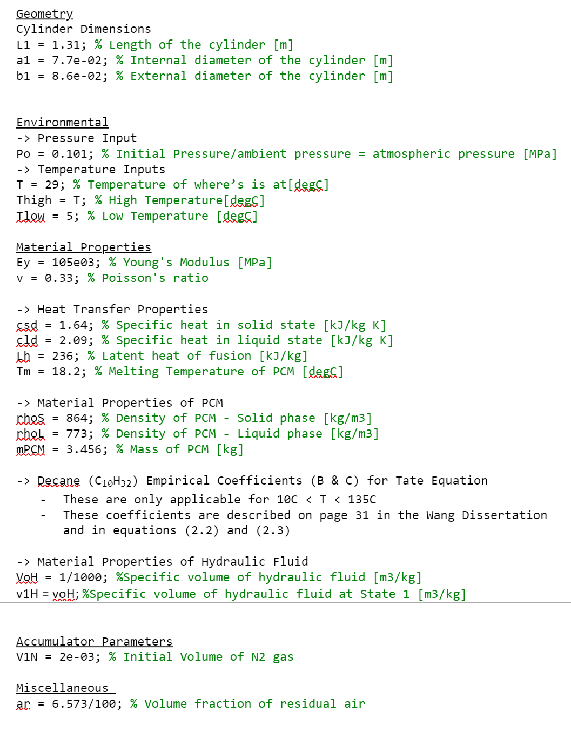
 |  |  |  |  |  |  |  | energy output
 |  |  |  |  |  |  |  |  | work on efficiency
 |  |  |  |  |  |  | Contact Steve

 |  |  |  |  |  |  |  | buoyancy
 |  |  |  |  |  |  |  | output: how mcuh energy need out of sys for performance (dive 100m within this time) based off of vol change and ?
 |  |  |  |  |  |  |  | derive energy/work standpoint find in jounral articles
 |  |  |  |  |  |  |  | inputs: change in pressure at two depths, rate to descend?, (x far over 10 hours),
 |  |  |  |  |  |  |  | volume change you need, difference in pressure

 |  |  |  |  |  |  |  | length and volume

